Sheet1
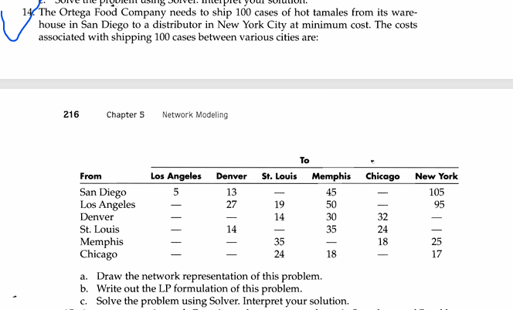

DV | from |  | to |  | unit cost
1 | 1 | San Digeo | 2 | Los Angeles | 5
0 | 1 | San Digeo | 3 | Denver | 13
0 | 1 | San Digeo | 5 | Memphis | 45 |  | nodes | net flow | supply/demand
0 | 1 | San Digeo | 7 | New Work | 105 | 1 | San Digeo | -1 | -1
0 | 2 | Los Angeles | 3 | Denver | 27 | 2 | Los Angeles | 0 | 0
0 | 2 | Los Angeles | 4 | St.Louis | 19 | 3 | Denver | 0 | 0
0 | 2 | Los Angeles | 5 | Memphis | 50 | 4 | St.Louis | 0 | 0
0 | 2 | Los Angeles | 7 | New Work | 95 | 5 | Memphis | 0 | 0
1 | 3 | Denver | 4 | St.Louis | 14 | 6 | Chicago | 0 | 0
0 | 3 | Denver | 5 | Memphis | 30 | 7 | New Work | 1 | 1
0 | 3 | Denver | 6 | Chicago | 32
0 | 4 | St.Louis | 3 | Denver | 14
0 | 4 | St.Louis | 5 | Memphis | 35
0 | 4 | St.Louis | 7 | New Work | 24
0 | 5 | Memphis | 4 | St.Louis | 35
0 | 5 | Memphis | 6 | Chicago | 18
1 | 5 | Memphis | 7 | New Work | 25
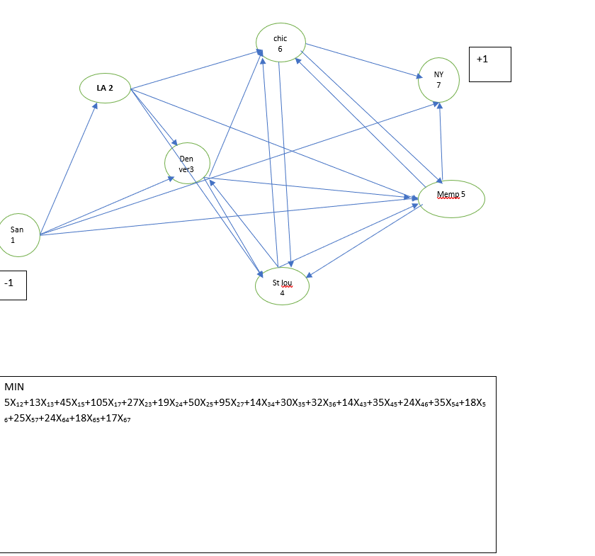
0 | 6 | Chicago | 4 | St.Louis | 24
0 | 6 | Chicago | 5 | Memphis | 18
0 | 6 | Chicago | 7 | New Work | 17

 |  |  |  | total | 44

 |  |  |  |  |  |  |  | the minimum cost be $44

